Sheet1
Scene No. | 2
Quest Title | 探险家雷欧
Quest Log | 回复雷欧
Map No. | 22
 | 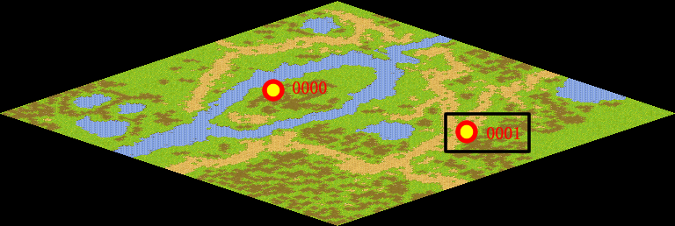
NPC No.
Condition
Dialog
Select
Result

ScriptFile | Qlog-0204-002.scr

